Task 03
last updated on: | 2017-10-01 |  |  |  | 100 | Comments
Task | Why we do this | What we are to do | Component | Standard | Points Earned | If you are unsatisfied with your initial grade, you may redo your work. We will unhide column E. The final grade will be the average of the initial version and the final version.
 | Set up skills
Edit text | you will remove unneeded text from the source material | Delete everything in the downloaded text up to the title. Your new document should begin with the title of the work. | 100 | 5% | 5
Edit text | you will only include the original document in your final product | Using your find tool, find the line that says "***END OF THE PROJECT GUTENBERG EBOOK ... ". Delete that line and all the remaining lines of the document. Your new document should end with the last line of the original work and should not include any of the Project Gutenberg legalese that one normally finds at the end. | 100 | 5% | 5
Find and Replace | you will demonstrate skill with the find and replace tools (CNTL+H) | Using your find and replace tools, reformat the e-book to eliminate unnecessary paragraph markers and to permit the text to wrap until it hits an actual paragraph mark. If you are unsure of how to proceed, look at the practice exercises for the Document Markup session. | 100 | 60% | 60
Page Setup | the e-book will be set up to work on an e-book reader, perhaps similar to a Kindle DX | Assume the readable area for an e-reader is 4 inches wide by 6 inches high. If you wish to use other dimensions, explain your decision in a footnote. | 100 | 15% | 15
Page Setup | you will demonstrate page setup skills | Set the margins for the pages to .3 inch margins left and right; .5 inch margins top and bottom; and headers & footers set at .3 inches. Set the headers for Different Odd & Even. | 100 | 15% | 15
 | Set up skills |  |  | 100% | 100
 | Style control skills
Sans Serif
Sans Serif
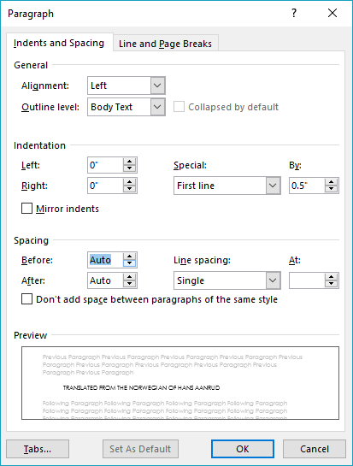
Create style | you will create a new style | Create a new style called Task03Content based on the Normal style, with a sans-serif font of your choosing, 10 points, auto spacing before and after, single line spacing, and special first line indentation of .5 inches. This will be a style created for this document's use. | 100 | 15% | 15
Style change | you will convert text objects from one style to another | Convert all text in the document to Task03Content style | 100 | 10% | 10
Serif
Serif
Create style | you will create a second new style | Create a new style called Task03Footnotes based on the Task03Content style, with a serif font of your choosing, 10 points, auto spacing before and after, single line spacing, and no first line indentation. | 100 | 15% | 15
Style change | you may have to change additional styles | If you have any footnotes in the document, format them in your new Task03Footnotes style. If you don't, you still need to create the new style and insert a footnote that includes the words "an example of the new footnote style" somewhere in the document | 100 | 10% | 10 | no footnotes
Style modification | you will modify an existing style | Modify the Title style to 16 point sans serif font of your choosing, black color, center alignment . Modify the Subtitle style to serif font of your choosing, black color, center alignment. [if you want to have your title or subtitle in a color other than black, you may do so, but tell me about it in a footnote.] | 100 | 15% | 15 | PT Serif renders as a sans serif on my laptop, but you know what you are doing
Style usage | you will format parts of the text to different styles | On the first page of the document, format the words in the title in the Title style. If there is a subtitle, format it in the Subtitle style. | 100 | 10% | 10
Style usage | you will format each chapter name and/or number with specific styles - | Format the name of each section that precedes the chapters of the document (such as Preface, Forward, etc. if the work has any) and the title of each chapter in Heading 2 style (these will be used later for the real table of contents). If you have any text sections that follow the chapters, format them in the same Heading 2 style. You will have multiple sections and chapter titles to format appropriately. You can productively use your CNTL+F tool here. If your work also has chapter numbers, format each chapter number in Heading 1 style. If your work has no chapter titles, format the chapter number in the Heading 2 style. | 100 | 25% | 25
 | Style control skills |  |  | 100% | 100
 | Sectioning skills
Sectioning | you will demonstrate skill with the sectioning tool | Insert appropriate section breaks so that each separate element of the work (preface, chapters, endnotes, if any) starts on new page. (Use your document map and your keyboard shortcuts to speed the process). | 100 | 90% | 90
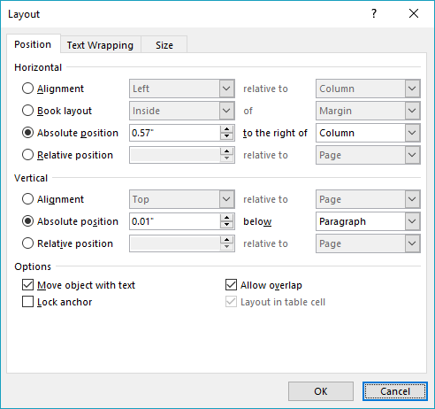
Sectioning | you will create new sections in your final document | If your downloaded book has a table of contents included in it, delete it because you will replace it with a new Table of Contents. After the title page and prior to the first section of the book, add a section break that will make the following page start on new page between the title page and the first chapter and put the words "Table of Contents" formatted as a heading 3 atop this page. | 100 | 10% | 10
 | Sectioning skills |  |  | 100% | 100
 | Image tools skills
Page breaks | create a new page for a new image | On the title page, insert a page break after the last text on the page. Find an image of the author of your work and insert it on this new page just created by the page break. If you can't find an actual image, use an image of any person on this page. | 100 | 20% | 20
Image tools | you will format a different image with different properties | Format the image to wrap top and bottom, with picture position horizontal alignment centered relative to the page. | 100 | 35% | 35
Grouping objects | you will demonstrate skills with the image tools | Using any combination of drawing objects, group them together into a new single object to create a logo representing your notional publishing company and insert the new object somewhere in the last full page of text in your document. Wrap the image tight with a horizontal alignment centered relative to column. | 100 | 45% | 45
 | Image tools skills |  |  | 100% | 100
 | Header and reference tools skills
Page numbering | you will add page numbers to your document | insert page numbers in the footer with the number centered. Using your footer tools and sections (do not link the second section to the first section), be sure that there is no page number on the title page. | 100 | 20% | 20 | you only have page numbers on even page footers. The odd page footers say Created by Aaron Chen
Headers | you will use headers for the name of your document | add headers to the document so that the odd page headers for all sections beginning with the first chapter in your book have the title of the book centered in them. | 100 | 30% | 30
Headers | you will use headers for the names of your chapters | add headers to the document so that the even page headers for each chapter show either the chapter number or the title of each chapter centered in them. You can use the Document Map tool to assist you in this component. | 100 | 30% | 30
Table of Contents | you will format and insert a table of contents object, using the ToC tool | add a table of contents to the document (on the ToC page you earlier created), but format the ToC to show only those objects formatted as Heading 2 and have them display in the ToC as ToC level 2 | 100 | 20% | 20
 | Header and reference tools skills |  |  | 100% | 100
 | Admin tasks
Save and store | Place the completed task in your password protected directory and place a hyperlink to that file on an object on your task 03 web page | The hyperlink for the person who is storing the group product should be a relative link. The hyperlinks for the remaining members of the group should be absolute links. | 100 | 100% | 100 | I might have said "marked-up text"
 | Admin tasks |  |  | 100% | 100
 | Points for Task 3 |  |  |  | 100.00

Task 04
last updated on: | 2017-07-16 |  |  |  | 0 | Comments
Task | Why we do this | What we are to do | Component | Standard | Points Earned | If you are unsatisfied with your initial grade, you may redo your work. We will unhide column E. The final grade will be the average of the initial version and the final version.
 | Workbook and worksheet setup
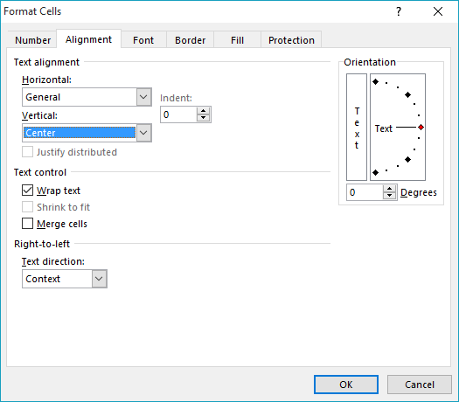
Manage worksheets | you will create a new workbook from existing worksheets | Open the workbook named 2015-2016statisticalreports.xlsx and save all the worksheets to a new workbook named with a standard (i.e., yourname.YYYYMMDD.task04.xlsx) file name | 0 | 5% | 0
Sheet creation and naming | you will create new worksheets | Insert a new worksheet, place it first in the sequence of worksheets, and name it Summary. | 0 | 5% | 0
Sheet creation and naming | you will create new worksheets | make a copy of the 1.Library Profile worksheet and place the copy directly after the Summary worksheet. Rename the new worksheet tab as Subtotals. | 0 | 5% | 0
Cell Formatting | you will demonstrate cell formatting skills for display purposes | Format row 2 on the 2.Format worksheet to display as alignment: vertical, center; text: Courier New font, 16 pt, Bold. | 0 | 5% | 0
Cell Formatting | you will demonstrate cell formatting skills for display purposes | On the 2.Format worksheet, format row 2 with white font, blue fill, but only for those cells that have data below them. For example on this specifications sheet, only columns A through H have data below them, so row 1 is formatted with a fill only over columns A through H) | 0 | 5% | 0
Row height | you will demonstrate the ability to control cell display | On the 2.Format worksheet, set the row height for row 2 at 36 for Windows or .36 for Mac (don't worry about the unit of measure; just set it at 36) | 0 | 5% | 0
Cell Formatting | you will demonstrate cell formatting skills for display purposes | On the 2.Format worksheet, set the column width for columns B through C to fit the data in the cells | 0 | 5% | 0
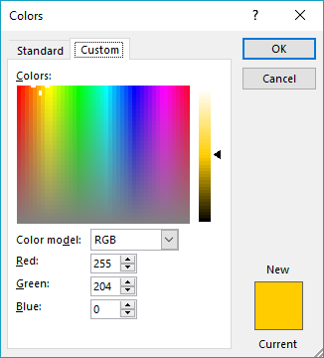
Cell Formatting | you will demonstrate cell formatting skills based on the type of data the cells contain | On the 2.Format worksheet, format the cells containing names and data about county systems with a green fill; cells containing names and data about regional systems with a custom fill [Red: 255; Green: 204; Blue: 0;] and cells containing names and data about municipal systems in a blue fill | 0 | 5% | 0
Cell Formatting | you will demonstrate cell formatting skills for display purposes | On the 2.Format worksheet, where header rows have subdivisions on a lower row, format the header cells so that the groupings are clear to the viewer. Use fill colors where it seems useful to do so | 0 | 10% | 0
Make it look professional | where you can, make the sheets look better | On the 2.Format worksheet, where appropriate, put all the relevant header cell data into a single cell atop the relevant data column without altering the integrity of each row on the worksheet. Where it makes sense, remove cell borders for ease of viewing, but retain them where they are needed to discriminate among the data. | 0 | 10% | 0
Freeze Panes | you will demonstrate understanding of how and why to freeze panes | On the 2.Format worksheet, freeze the appropriate row so that the header rows always appear | 0 | 10% | 0
Freeze Panes | you will demonstrate understanding of how and why to freeze panes | On the 2.Format worksheet, freeze the appropriate column so that the type and name columns always appear | 0 | 10% | 0
Validate data | you will validate data in a column | On the 2.Format worksheet, validate the data in column C so that new data added to this column cannot be less than 10 | 0 | 10% | 0
Conditional Formatting | to highlight a value in the data | On the 14.Conditional Formatting worksheet, use the conditional formatting tool to display the highest valued in the column showing 6-12TH GRADE REGISTERED PARTICIPANTS (display as in highlight?) | 0 | 10% | 0
 | Set up skills |  |  | 100% | 0
 | Hiding Data
Hiding Data | you will demonstrate how and why to hide data | On the 3.Hide E & I worksheet, hide columns F and J | 0 | 50% | 0
Hiding Data | you will demonstrate how and why to hide data | On the 4.Hide County Data worksheet, hide all the rows relating to county systems, except for Mecklenburg and Wake Counties. | 0 | 50% | 0
 | Hiding data skills |  |  | 100% | 0
 | Functions & Formulas
Functions | you will demonstrate facility with functions and formatting of the resultant data | On the Summary worksheet, in cell A4 enter the words "Highest Minimum MLS Salary." In cell F4, insert a function that will return the highest minumum MLS salary from the data on the 3.Hide E & I worksheet. | 0 | 20% | 0
Functions | you will demonstrate facility with functions and formatting of the resultant data | On the Summary worksheet, in cell A5 enter the words "Lowest Total Operating Income." In cell F5 insert a function that will return the lowest total operating income from the data on the 04.Operating Income worksheet. | 0 | 20% | 0
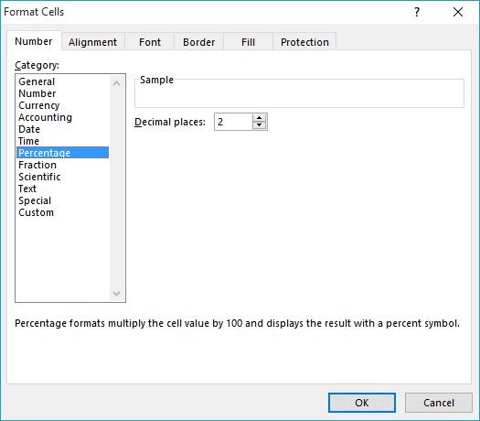
Functions | you will demonstrate facility with functions | On the Summary worksheet, in cell A6 enter the words "How many systems had no website visits?" In cell F6, display the number of library systems that have report no website visits on the 13.Electronic Technology worksheet. Use your help tool to find the right function. | 0 | 20% | 0
Formulas | you will demonstrate facility with formulas, by pulling vectored data from two different worksheets into a new formula | Copy the cells containing the names of all the library systems from the 1.Library Profile worksheet. Paste these cells into cell C7 through C86 on the Summary worksheet. Then, in cell D7, insert a formula that will draw values from two other worksheets. The formula should divide Alamance County's "Use Sessions of Internet Computers" from the 13.Electronic Technology worksheet by Alamance County's "Legal service population area" from the 1.Library Profile worksheet. | 0 | 20% | 0
Formatting | you will demonstrate cell formatting skills based on the type of data the cells contain | Once you have created the formula, format the cell to display percentages to two decimal places. | 0 | 10% | 0
Dragging values | you will demonstrate understanding of how and why to drag formatting information from one cell to another | Once you have formatted the data in the cell, drag the cell down the column to apply the same formula and formatting for all library systems | 0 | 10% | 0
 | Functions & formula skills |  |  | 100% | 0
 | Sorting Data
Sort | you will do a single level sort | Sort the data on the 05.Sort by Local Per Capita worksheet by Local Income Per Capita [you will not use header row data to sort in this case]. Have the sort display from smallest to the largest. | 0 | 50% | 0
Multi-level sort | you will do a single level sort | Sort the data on the 06.Sort by two values worksheet first by Total Operating Costs, from smallest to largest, and then by Total Per Capita from smallest to largest. | 0 | 50% | 0
 | Sorting Skills |  |  | 100% | 0
 | Filtering Data
Filtering 1 | you will demonstrate facility with a number filter | Filter the data on the 7.Filter total book circ worksheet to find the bottom 10 systems in terms of Total Book Volumes | 0 | 30% | 0
Filtering 2 | you will demonstrate facility with a number filter, after having used an exclusion filter to show only one subset of data | Use a multilevel filter on the 08.Filter Books Per Capita worksheet to find out which of the Regional and Municipal systems only had Total Print Circulation between 20000 and 75000 (copied over from 09) | 0 | 35% | 0
Filtering 3 | you will demonstrate facility with a number filter, after having used an exclusion filter to show only one subset of data | Use a multilevel filter on the 09.Filter Collection Type worksheet to find out which of the Regional and Municipal systems only had above average usage of Databases | 0 | 35% | 0
 | Filtering Skills |  |  | 100% | 0
 | Subtotalling Data
Subtotals 1 | you will demonstrate facility with one of the functions in the subtotal tool. To see the data you are using, you may have to adjust the zoom for the Subtotals worksheet to 75%. | Using the Subtotals worksheet, calculate subtotals consisting of sum of annual hours by system type (i.e., by county, by regional, by municipal). | 0 | 40% | 0
Subtotals 2 | you will demonstrate facility with another function in the subtotal tool | Using the Subtotals worksheet, calculate a second subtotal consisting of average of the Legal Service Population Area by system type (i.e., by county, by regional, by municipal). Be sure not to delete the previous subtotal. You may have to find the subtotal label in the hidden column to be able to use it to draw the viewers' attention to the subtotal. | 0 | 40% | 0
Subtotal display | you wil demonstrate facility with minimizing the subtotaled data | Minimize the data so that only the subtotals are visible | 0 | 20% | 0
 | Subtotalling Skills |  |  | 100% | 0
 | Comments
Comment | you will comment on a cell, format the comment, and have it show | On the 10.Add comment worksheet, insert a comment on cell K6 stating which system has highest Cost Per Circulation (unable to adjust comment) | 0 | 100% | 0
 | Comments skills |  |  | 100% | 0
 | Data Display
Chart 1 | you will create a chart that compares one data set by counties | Using the data on the 11.Chart 1 data worksheet, create a chart to look at the total number of registered users of the county systems (but do not include data for Stanly County). Arrange the data from lowest number on the left to highest on the right (this will require sorting). Use a chart that compares values (per capita) to categories (county systems). Place the chart on a separate worksheet (that means the chart stands alone on a workesheet and does not float above a grid of cells on a worksheet) named Numbers of Registered Users and insert the sheet right after the 5.Chart 1 data worksheet. You may use the chart wizard, but do not use the defaults. | 0 | 25% | 0
Formatting | you will demonstrate facility with the chart formatting tools | You will need to work with the chart tools to ensure that the X or Y axes (depending on whether you use a column or a bar chart) are labeled. | 0 | 10% | 0
Formatting | you will demonstrate facility with the chart formatting tools | Include a chart title and modify the display in some fashion to make it unique to your style. | 0 | 10% | 0
Chart 2 | you will create a chart that compares multiple data sets by region | We want to compare the Program Attendance of the regional systems. Use the data from the 12.Chart 2 data worksheet, but restrict the chart to only data about Adult attendance, Young Adult attendance, and Children attendance. Create a chart that compares the percentage of each value contributes to a total across categories and place the chart on a separate worksheet (that means the chart stands alone on a workesheet and does not float above a grid of cells on a worksheet) named Attendance Chart, inserted directly after the 12.Chart 2 data worksheet. (The underlying total will be ordered). Use a chart that compares values to categories. Use any appropriate chart style that pleases you, but again here, do not settle for the defaults. Customize the chart in some fashion. This will be a 100% stacked chart of some type. You will be using raw numbers and having the chart tool convert the numbers to relative percentages. Do not create the percentages yourself. | 0 | 25% | 0
Formatting | you will demonstrate facility with the chart formatting tools | Make it very clear in the formatting which values are which. If you use a legend, be sure to have the legend pull its name from the appropriate cell in the worksheet. Format your axes and axes labels so that the viewer is in no doubt about what is being depicted. (If the data format is self-explanatory, you may not need a label for an axis) | 0 | 10% | 0
Text Box | you will annotate the chart using a drawing object | Annotate the chart by including a free-floating objects to point out the system who receives the highest percentage of no-print materials. | 0 | 10% | 0
Formatting | you will demonstrate facility with the chart formatting tools | put the legend at the bottom of the chart without overlapping the data | 0 | 10% | 0
 | Data display skills |  |  | 100% | 0
 | Page Setup
Page Setup | you will set up the printed versions of the workbook so that the header rows will display on each printed page | Set up the 2.Format worksheet so that the appropriate header rows will display on each printed page. | 0 | 25% | 0
 | Suggestion: Wait until you have all your worksheets done, then group them and do the next four things to all of them at the same time.
Page Setup | you will include footers on each worksheet page | On all the worksheets together, use a footer to include your name on the left and the date on the right on each page in the workbook. | 0 | 20% | 0
Page Setup | you will include headers on each worksheet page | On all the worksheets together, use a header to include the worksheet tab name centered and bold on the top of each printed page. | 0 | 20% | 0
Page Setup | you will demonstrate facility with placing the data on the printed page | On all the worksheets together, set the margins for 1 inch top and bottom, left and right, and .5 inches for header and footer | 0 | 20% | 0
Page Setup | you will demonstrate facility with basic page layout | On all the worksheets together, ensure that all pages are laid out in landscape orientation for printing on letter sized paper and that the page order is over, then down. | 0 | 15% | 0
 | Page Setup Skills |  |  | 100% | 0
 | Admin tasks
Save and store | Place the completed task in your password protected directory and place a hyperlink to that file on an object on your task 04 web page | The hyperlink for the person who is storing the group product should be a relative link. The hyperlinks for the remaining members of the group should be absolute links. | 0 | 100% | 0
 | Admin tasks |  |  | 100% | 0
 | Points for Task 4 |  |  |  | 0

